TPFLYER
 | Testing, Adjusting and Balancing Report

EHC - Tallahassee Reno. & Add.

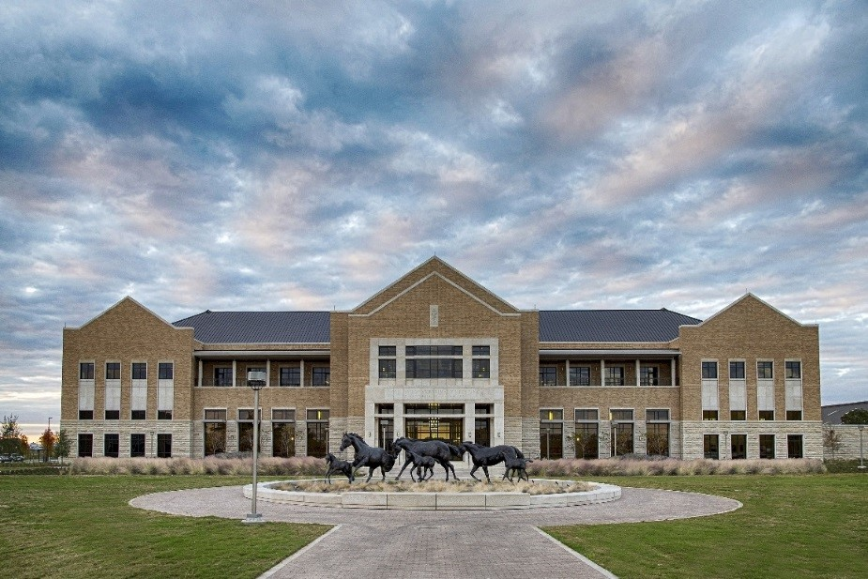
REMOVE THIS TEXT BOX AND REPLACE PHOTO BELOW WITH ACTUAL PROJECT PHOTO
(APROX. THIS SIZE AND LOCATION)

 |  |  |  | Report Builder Selection (AJ38)
 |  |  |  | Dallas

 |  |  | Prepared For: | Campos NEBB Sealing Office Address 1
 |  |  |  | 1331 River Bend Drive
 |  |  |  | 1226 S Lake Street

REMOVE THIS TEXT BOX AND REPLACE LOGO BELOW WITH ACTUAL CLIENT LOGO
(APROX. THIS SIZE AND LOCATION)
 |  |  |  | 10661 Haddington Drive Suite 190
 |  |  |  | 1331 River Bend Drive

 |  |  |  | Campos NEBB Sealing Office Address 2
 |  |  |  | Dallas, TX 75247-4962
 |  |  |  | Fort Worth, TX 76104-4311
 |  |  |  | Houston, TX 77043-3250
 |  |  |  | Dallas, TX 75247-4962

 |  |  |  | Campos NEBB Sealing Office Reg. Number
 |  | Prepared By: |  | 2951 | <-- Dallas
 |  | Campos Engineering, Inc. |  | 3558 | <-- Ft. Worth
 |  | 1331 River Bend Drive |  | 3683 | <-- Houston
 |  | Dallas, TX 75247-4962 |  | 2951 | <-- El Paso
 |  | Texas Registration Number: F-01731
 |  | NEBB Registration Number: 2951

